Straight line installation
 |  |  |  |  |  | 0.36009061226
Heat loss calculation of pipeline and heating system selection
Evaluative calculation |  |  |  | Informational data (for more information see Application manual)

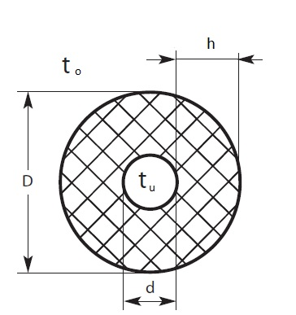
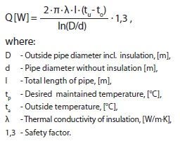
 | Cells with gray color - for data entry

 | Object data
 | Length of pipe | 10 | m
 | Outside pipe diameter, d | 50 | mm
 | Insulation thickness, h | 25 | mm
 | Thermal conductivity of insulation, λ | 0.05 | W/(m·°C)
 | Desired temp, tu | 5 | °C
 | Min outside temp, to | -10 | °C
 | Voltage | 220 | V
 | Safety factor | 1.3 | recommended 1,3
 | Type of pipe | Plastic

 | System Calculation
 | Heat loss, q (with safety factor) | 8.8 | W/m

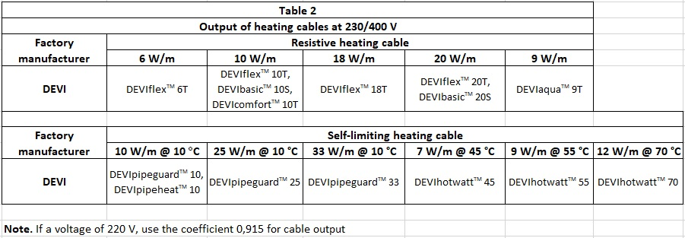
 | Select cable type | Self-limiting cable
 | DEVIpipeguard 25 | 24.53 | W/m @ 5 °C
 | Number of cable lines on pipe | 1
 | Number of valves, flanges,etc. | 0 | pcs.
 | Calculated cable length | 10 | m
 | Calculated total output | 245.32 | W
 | Alutape, fixing element | 20 | m
 | Control system | DEVIreg™ 330 (-10 ... +10°C)

 | Important to know
 | Note 1. For plastic pipes the linear output of resistive heating cables should not exceed 10 W/m. This restriction does not apply to self-limiting cables (SLC).
 | Note 2. If a voltage of 220 V, use the coefficient 0,915 for cable output.
 | Note 3. Apply aluminum tape below (mandatory for plastic pipes) and on top on the whole length of the cable.
 | Note 4. Installing the thermostat is recommended. |  |  |  | Technical support: EH@danfoss.com

