Roof
Roof application. Frost protection
Preliminary calculation of heat losses on the roofs and in the gutters and downpipes |  |  |  | Informational data (for more information see Application manual)

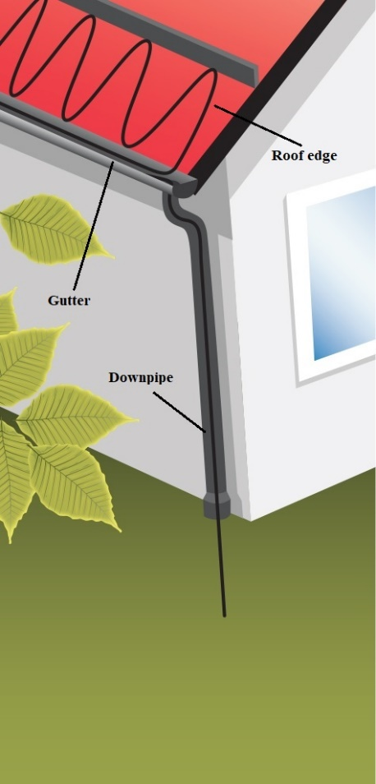
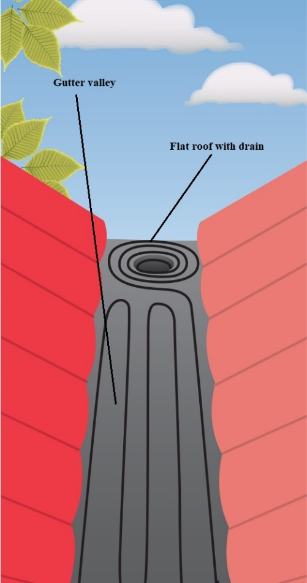
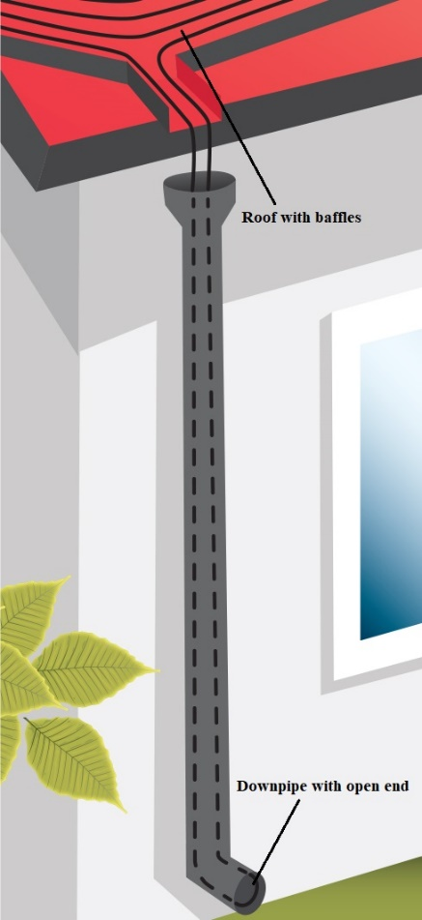
 | Cells with gray color - for data entry

 | Object data
 | Desing temperature, tout | -5 | °C
 | Level of roof insulation | Well insulated roof
 | Voltage | 230 | V
 | Length of gutter | 12 | m
 | Length of down pipe | 10 | m
 | Gutter/pipe diameter | 120 | mm
 | Gutter valley area | 0 | m2
 | Roof area | 15.5 | m2

 | System calculation
 | Select cable type | Resistive cable
 | DEVIsnow™ 30T | 30 | W/m
 | Recommended heat density for roof edge and gutter valley | 230 | W/m2
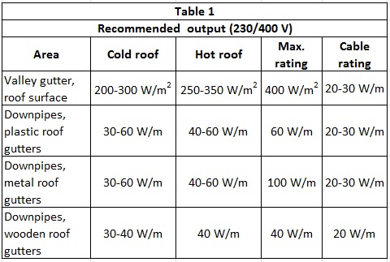
 | C-C distance for roof edge and gutter valley | 13.04 | cm
 | Number of cable lines in gutters and downpipes, n | 1 | Units
 | Calculated cable length for roof edge | 118.83 | m
 | Calculated cable length for gutter valley | 0.00 | m
 | Total output for roof edge | 3565 | W
 | Total output for gutter valley | 0 | W
 | Calculated cable length for gutter | 12 | m
 | Calculated cable length for downpipe | 11 | m
 | Total output for gutter | 360 | W
 | Total output for downpipe | 330 | W
 | Control system
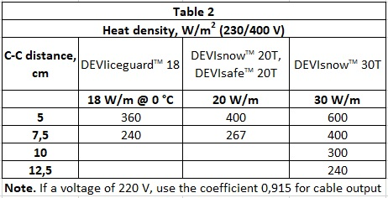
 | Sensor parameters | Air temperature below +3 °C and moisture
 | Thermostat | DEVIreg™ 850, Max 2x15 A (3450 W) @ 230 V

 | Important to know
 | Note 1. It is recommended to design output for ice and snow melting systems with maximum possible level.
 | Note 2. 2 lines of 30 W/m require minimum Ø120 mm downpipe.
 | Note 3. For a voltage of 220 V, use the coefficient 0,915.
 | Note 4. DEVIfast is recommended to use for cable fixing (C-C steps 2,5 cm). For copper roofs use DEVIfast Copper.
 | Note 5. For downpipes use DEVIfast Double Special RB for resistive cable, DEVIfast Double SLC RB for self-limiting cable.
 | Note 6. Installing the thermostat is recommended. |  |  |  | Technical support: EH@danfoss.com

